Sheet1
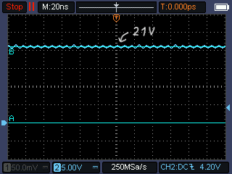
How to calculate output values for a Critical Conduction Mode (CRM) Flyback Converter:
Given:
 | Vin | 50 | V
 | fsw | 50 | kHz | T | 20 | us
 | D | 0.5 |  | Ton | 10 | us
 | Lpri | 0.3 | mH
 | Turn Ratio | 2

Find:
 | Vout | _____ | V
 | Iout | _____ | A

$$Vout=\frac{Vin}{Turn Ratio}$$
I. Solution:
1. Calculate Vout based on following equation:
 | Vout | 25 | V

$$VL=L×\frac{dI}{dt}$$
$$Ipk= \frac{VL}{L}×Ton$$
2. Calculate Iout:
2.1. Calculate primary peak current Ipk based on following equation:
 | Ipk | 1.667 | A
$$Iave= \frac{1}{T}×\int_{0}^{T}{I×dt= \frac{Area}{T}=0.5×Ipk×D}$$
2.2. Calculate primary average current Iave based on following equation:

 | Iave | 0.417 | A

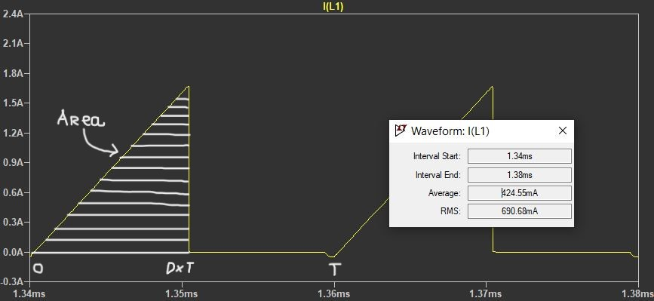

$$Iout=Iave×Turn Ratio$$
2.3. Calculate output current Iout based on following equation:
 | Iout | 0.833 | A

II. Summary:
 | Vout | 25 | V
 | Iout | 0.83 | A
 | Rout | 30 | R

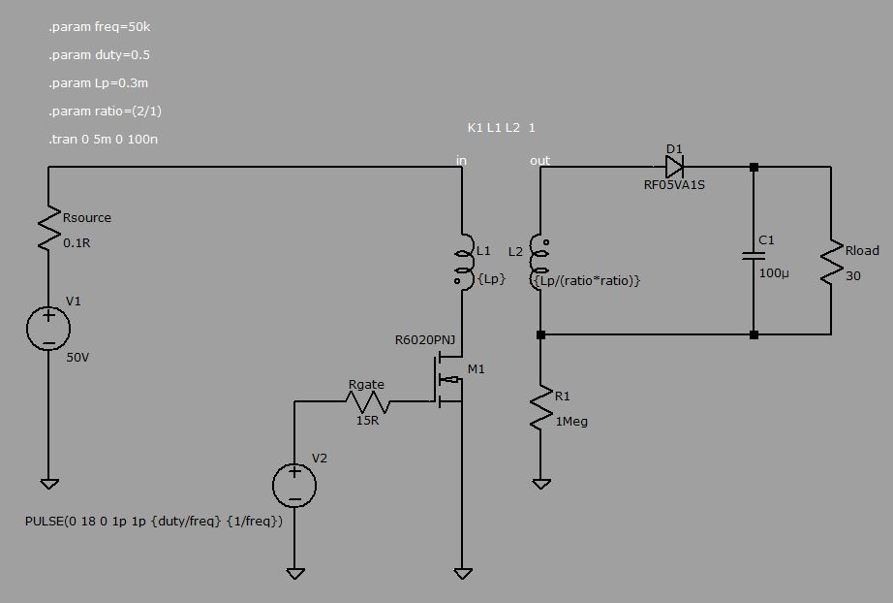

III. Images from experiment:

1. Peak current at primary

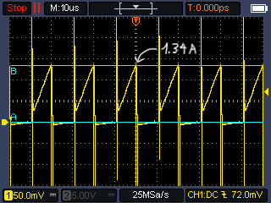

2. Peak current at secondary

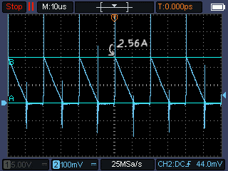

3. Output voltage

